Reference Snaps
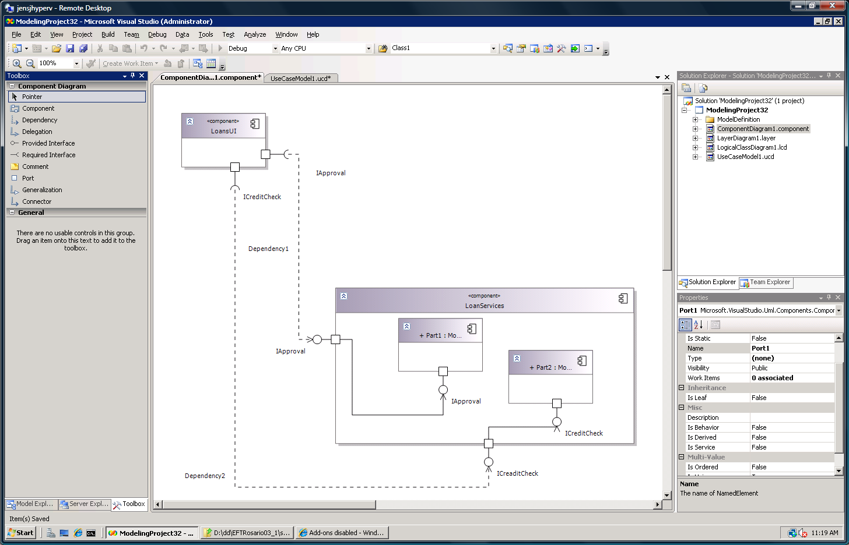
Notes | Reference Snaps
 | Screenshots of the UI in which the icons appear should be pasted here by the designer, or provided in email for the production manager to paste in. The designer should provide concept images and dupes as separate files so they can be handed off to the vendor.

